Test Case1
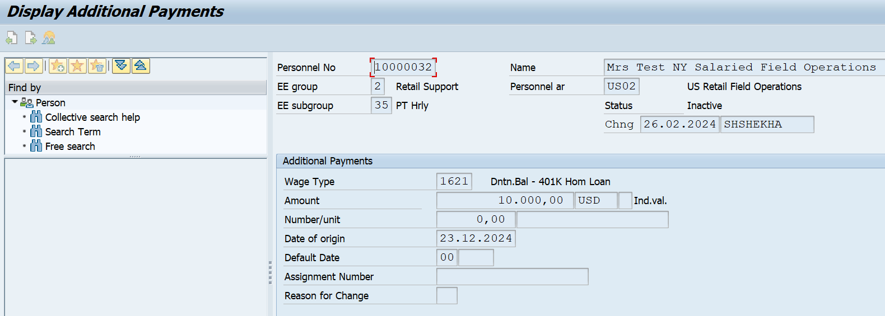
CLIENT | PYJ(100)
TEST CASE# | 1) Check whether the Fidelity Investments (fmr Loan Feedback Inbound) File is a change-only file sent on weekly basis for a partner
TEST PARTNER ID | 10000032
TESTER | VJADHAV
DATE OF TESTING | 2024.06.21
EXPECTED RESULT | The program should be able to process record for a partner
ACTUAL RESULT
COMMENTS
TEST STATUS

#Report Selection Screen
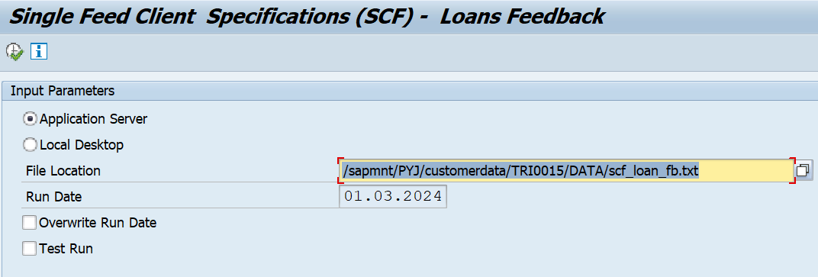

#Input File

#Report Output
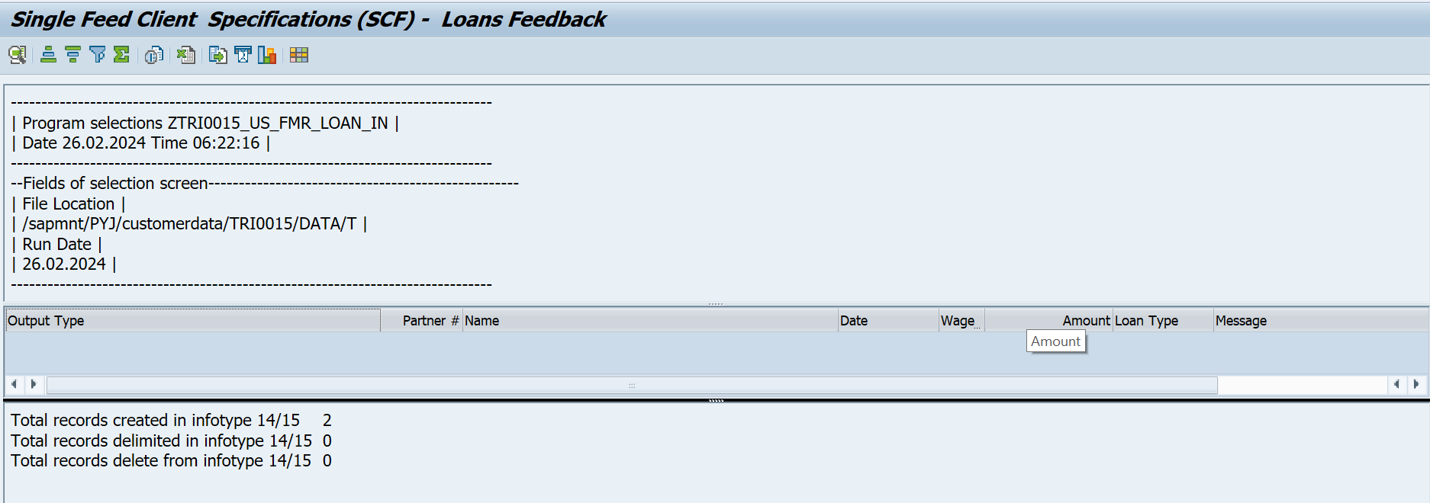

#IT0000 of Partner (Ineligible LOA)
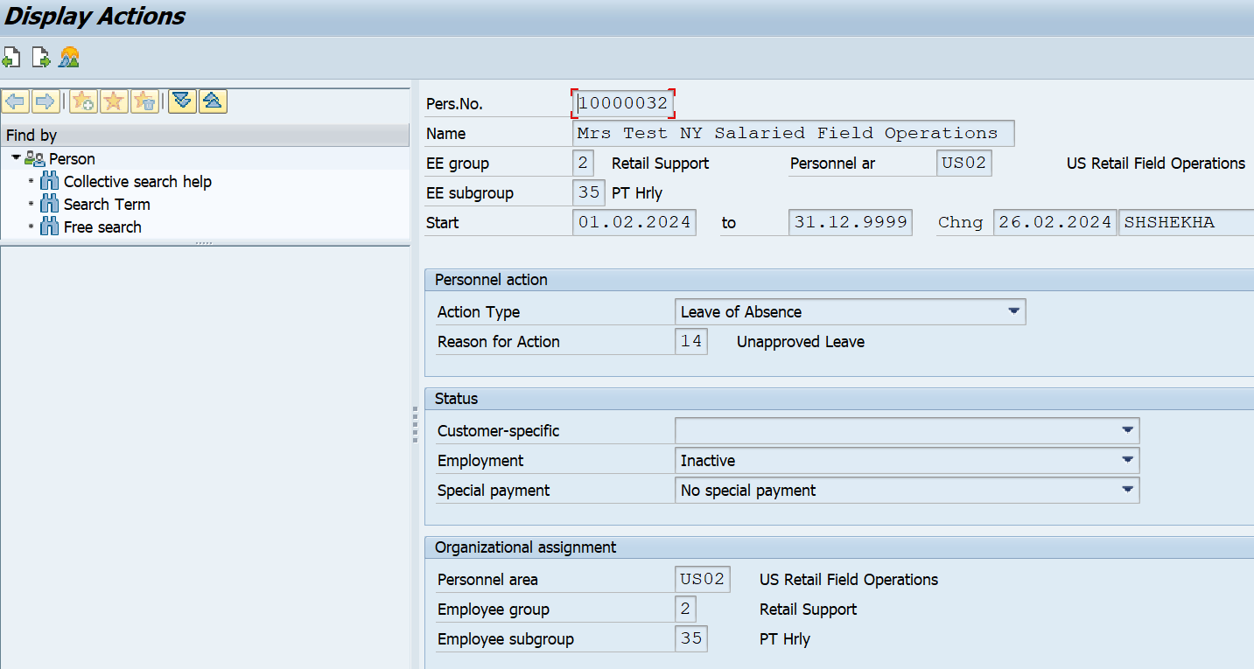

#IT0014 Updated
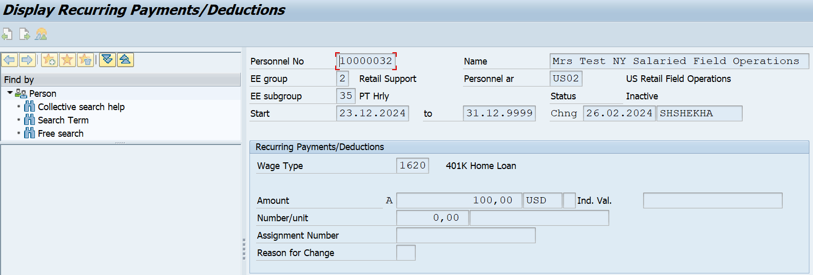

#IT0015 Updated

